Locations
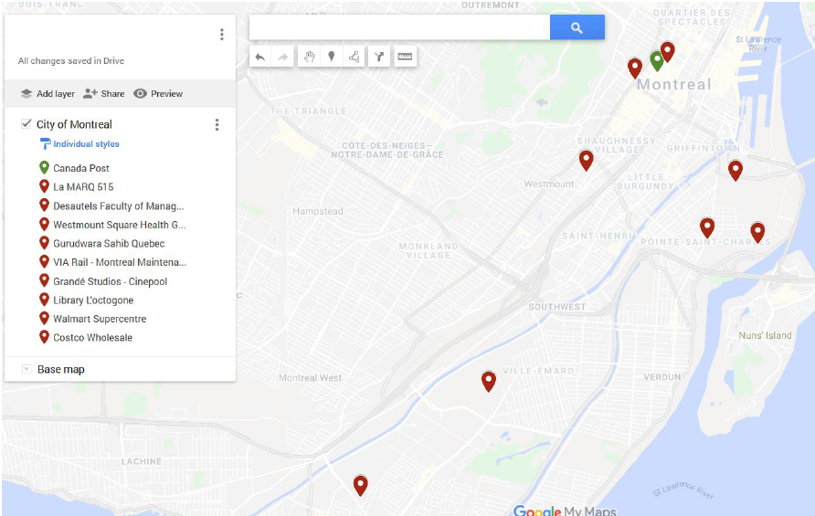
Name | Type | Address | Longitude | Latitude
Canada Post | Company Location | 677 Saint-Catherine St W M22, Montreal, Quebec H3B 5K0 | 45.5000 | -73.5700
La Marq 515 | Student Residency | 1430 City Councillors St, Montreal, Quebec H3B 1B4 | 45.5000 | -73.5690
Desautels Faculty of Management | University Department | Armstrong Building, 3420 Rue McTavish, Montréal, QC H3A 0E2 | 45.5032 | -73.5767
Centre Medical Westmount | Hospital | 5025 Sherbrooke St W | 45.4770 | -73.6060
Gurudwara Sahib Quebec | Holy Place | 2183 Wellington St, Montreal, Quebec H3K 1X1 | 45.4770 | -73.5500
VIA Rail - Montreal Maintenance Centre | Railroad company | 201 Avenue Ash, Montréal, QC H3K 3K2 | 45.4700 | -73.5480
Grandé Studios - Cinepool | Movie Studio | 2555 Dollard Ave, Lasalle, Quebec H8N 3E5 | 45.4300 | -73.6300
Library L'octogone | Public Library | 1080 Dollard Ave, Lasalle, Quebec H8N 2T9 | 45.4250 | -73.6200
Walmart Supercentre | Department Store | 6797 Newman Blvd, Lasalle, Quebec H8N 3E4 | 45.4544 | -73.6098
Costco Wholesale | Warehouse Store | 300 Rue Bridge, Montréal, QC H3K 2C3 | 45.4873 | -73.5542

Optimal location
Finding the best location to open Canada Post to reduce the distance covered given the delivery locations

Note that this problem does not take into account the road path to a location. See the next example that relates to Traveling Salesman Problem to find the best path
Average cost of gasoline is 1.09 CAD
Distance is calculated using the formula:
ACOS(COS(RADIANS(90-Lat1)) *COS(RADIANS(90-Lat2)) +SIN(RADIANS(90-Lat1)) *SIN(RADIANS(90-lat2)) *COS(RADIANS(long1-long2)))*6371
(https://stackoverflow.com/questions/25534051/excel-formula-to-calculate-the-distance-between-multiple-points-using-lat-lon-co)
Objective function | 68.31707416

 | Lat | Long
Decision Variables | 45.47652612 | 73.575220359

 | Lat | Long | Distance | Times Traveled | Total distance
La Marq 515 | 45.50004 | 73.569 | 2.6592081719 | 1 | 2.6592081719
Desautels Faculty of Management | 45.503178 | 73.576724 | 2.9658708703 | 1 | 2.9658708703
Centre Medical Westmount | 45.477 | 73.606 | 2.400458151 | 1 | 2.400458151
Gurudwara Sahib Quebec | 45.477 | 73.55 | 1.9671300183 | 1 | 1.9671300183
VIA Rail - Montreal Maintenance Centre | 45.47 | 73.548 | 2.2431196282 | 1 | 2.2431196282
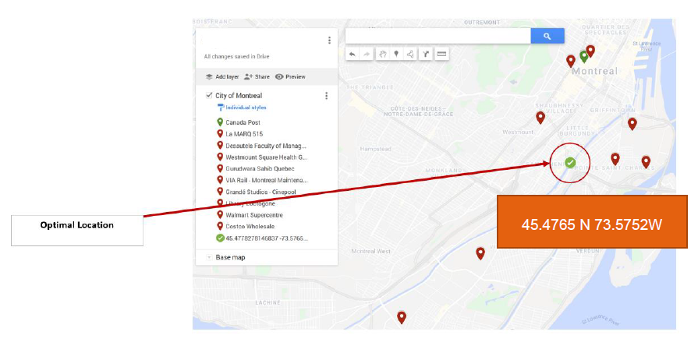
Grandé Studios - Cinepool | 45.43 | 73.63 | 6.7098981965 | 1 | 6.7098981965
Library L'octogone | 45.425 | 73.62 | 6.7102926173 | 1 | 6.7102926173
Walmart Supercentre | 45.454384 | 73.609832 | 3.6534340757 | 1 | 3.6534340757
Costco Wholesale | 45.487285 | 73.554205 | 2.0286956836 | 1 | 2.0286956836

Optimal route
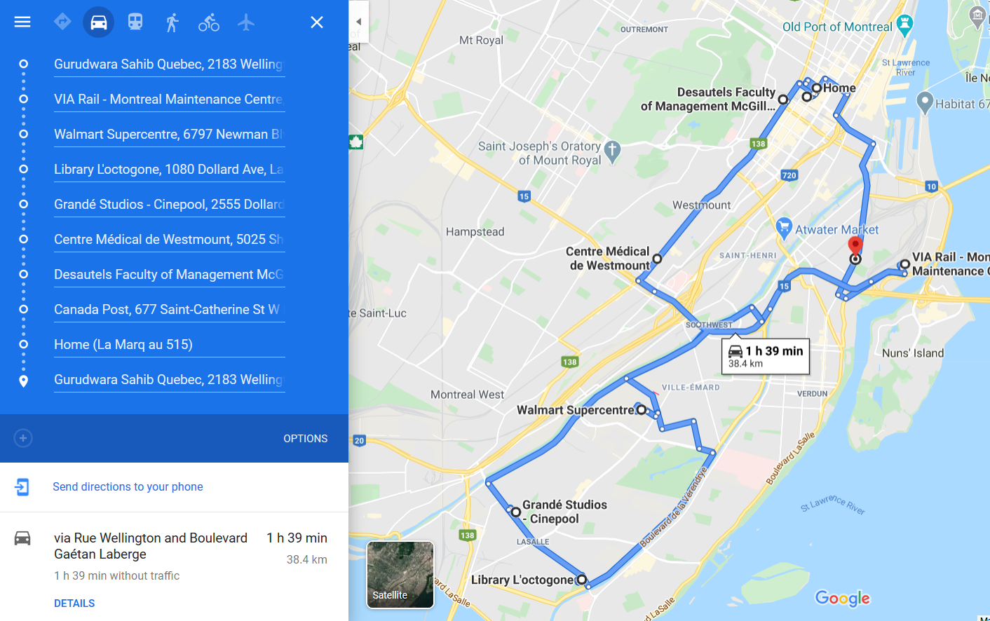
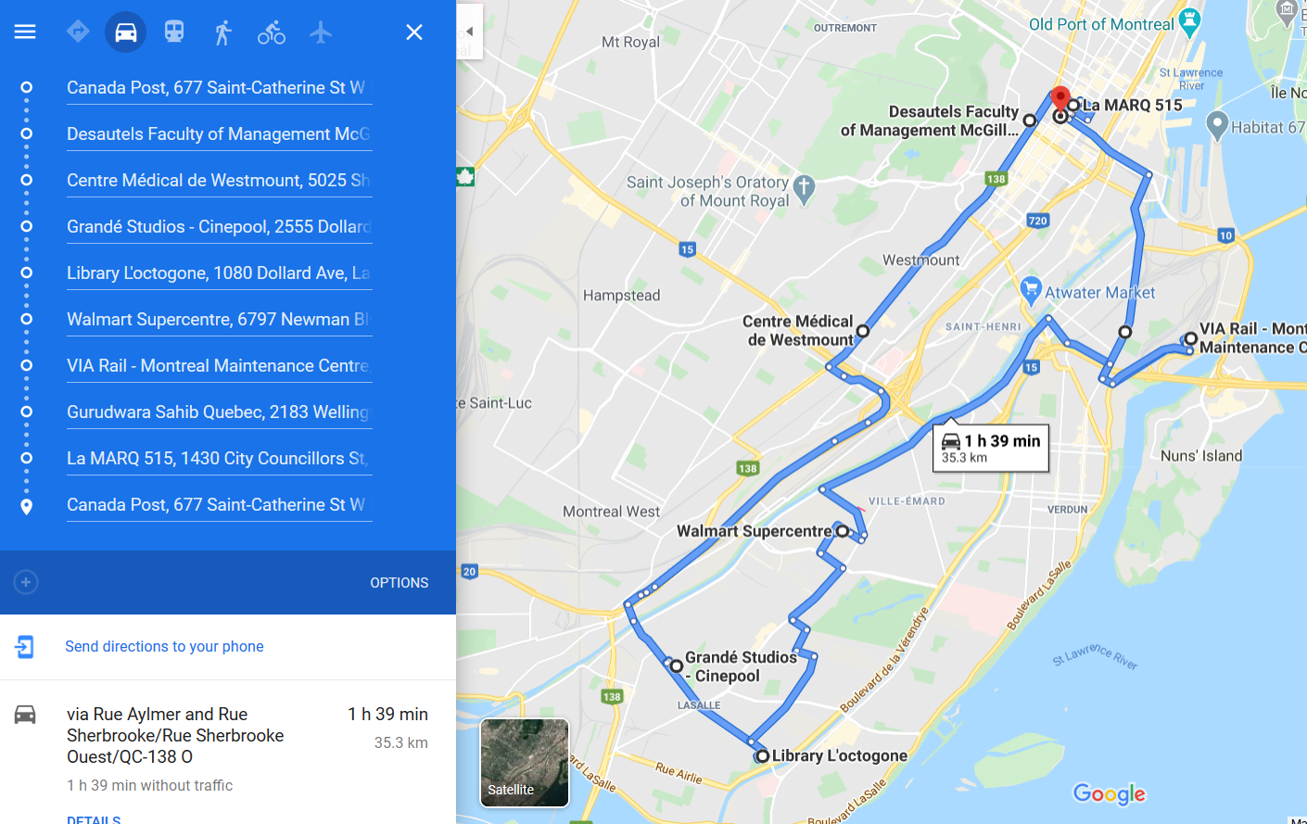
Finding the best path for the delivery van to reduce the distance covered. (Find path given Canada Post location)

Note that this problem takes into account the shortest road path as measured using google maps. Due to lane restrictions, the numbers will not be mathematically related.
All distance is in metres
Objective function takes into account minimization of fuel cost and not time
All vans must return to their original location after delivery to all locations
Location Name | Location ID | 1 | 2 | 3 | 4 | 5 | 6 | 7 | 8 | 9 | 10
Canada Post | 1 | 0 | 700 | 1100 | 4800 | 3900 | 5600 | 12000 | 11900 | 9300 | 3100
La Marq 515 | 2 | 700 | 0 | 1600 | 5100 | 4300 | 6000 | 11800 | 12100 | 9400 | 3500
Desautels Faculty of Management | 3 | 1100 | 1600 | 0 | 3800 | 4100 | 6000 | 11200 | 11600 | 8800 | 3600
Centre Medical Westmount | 4 | 4800 | 5100 | 3800 | 0 | 5600 | 7800 | 7400 | 9200 | 6000 | 5700
Gurudwara Sahib Quebec | 5 | 3900 | 4300 | 4100 | 5600 | 0 | 2400 | 9600 | 8900 | 6200 | 1700
VIA Rail - Montreal Maintenance Centre | 6 | 5600 | 6000 | 6000 | 7800 | 2400 | 0 | 10400 | 9800 | 7200 | 3800
Grandé Studios - Cinepool | 7 | 12000 | 11800 | 11200 | 7400 | 9600 | 10400 | 0 | 2200 | 3900 | 10100
Library L'octogone | 8 | 11900 | 12100 | 11600 | 9200 | 8900 | 9800 | 2200 | 0 | 4500 | 10300
Walmart Supercentre | 9 | 9300 | 9400 | 8800 | 6000 | 6200 | 7200 | 3900 | 4500 | 0 | 7600
Costco Wholesale | 10 | 3100 | 3500 | 3600 | 5700 | 1700 | 3800 | 10100 | 10300 | 7600 | 0

Scenario 1: Objective function | 33600
Scenario 2: Objective function | 33600
 | Scenario 1: Van starts from anywhere |  |  |  |  | Scenario 2: Van has to start from Canada Post
 |  | Location | Cost |  |  | Location | Cost | Starts from location 1
 |  | 5 | 2400 |  |  | 1 | 1100 |  | 1
 |  | 6 | 7200 |  |  | 3 | 3800
 |  | 9 | 4500 |  |  | 4 | 7400
 |  | 8 | 2200 |  |  | 7 | 2200
 |  | 7 | 7400 |  |  | 8 | 4500
 |  | 4 | 3800 |  |  | 9 | 7200
 |  | 3 | 1100 |  |  | 6 | 2400
 |  | 1 | 700 |  |  | 5 | 4300
 |  | 2 | 4300 |  |  | 2 | 700
 |  | 5 |  |  |  | 1

Optimal path
Scenario 1: Van starts from anywhere |  |  |  |  |  |  |  |  |  | Scenario 2: Van has to start from Canada Post

